Prec Accident Steps
The Data, using to determine factors values |  | Rates Tables |  |  |  |  | Discounts
 |  | Rate Per Rider | Coverage Rate |  | Lmit Amount Adjustment | Additional Lmit Amount Adjustment | Renewal Discount
 |  |  | Coverages: Emergency Care, Prosthetic Device, Surgery, Burn, Fracture, Hospital Admission, Hospital Confinement, Hospital Confinement ICU | Coverages: Hospital Care, Transportation, Family Lodging, Raptured Disc, Concussion, Dislocation, Basic Dismemberment, Paralysis Coma, Eye Injury
Policy/Plan/Coverage/ | Coverage Name |  | v | v | v | v
Policy/InsuredInfo/ | Gender |  |  | v
Policy/InsuredInfo/ | Age |  | v | v
Policy/InsuredInfo/ | Quantity of Insureds | v
Policy/Plan/Rider/ | Rider Name | v
Policy/Plan/Rider/ | Limit Amount | v
Policy/ | Quote Type |  |  |  |  |  | v

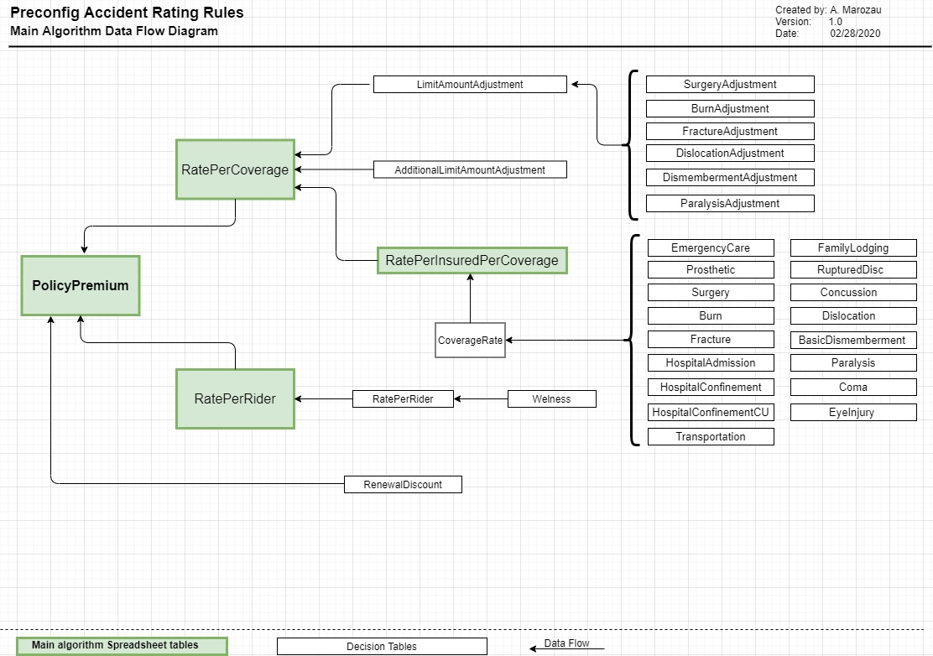
Calculations Steps |  | Comments
Rate Per Rider = | Rate for a specific Rider * Quantity of Insureds | The current preconfig datamodel contains Welness Rider only
Rate Per Coverage:
Coverage Amount = | Limit Amount * Limit Amount Adjustment
Additional Coverage Amount = | Additional Limit Amount * Additional Limit Amount Adjustment ( coverageName )
Rate Per Insured Per Coverage = | Coverage Rate /100 * ( Сoverage Amount + Additional Coverage Amount )
Rate Per Coverage = | SUM of all "Rate Per Insured Per Coverage" for the Coverage

Policy Premium:
Rates of All Coverages = | SUM of all "Rate Per Coverage" for the Policy
Rates of All Riders = | SUM of all "Rate Per Rider" for the Policy
Total Premium Before Discount = | Rates of All Coverages + Rates of All Riders
Renewal Discount
Total Monthly Premium = | Total Premium Before Discount * (1 - Renewal Discount) | Round to two decimal places
Total Annual Premium = | Toal Monthly Premium * 12

